Linear Regression
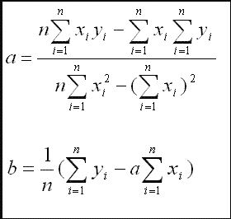
X | Y | XY | SQR(X) | SQR(Y) | a*X | c1 | c2 | c3 | c4 | c5
1 | 2 | 2 | 1 | 4 | 0.605 | 756 | 576 | 456 | 324 | 1.3636363636 | a
1 | 4 | 4 | 1 | 16 | 0.605 | 0.16666666667 | 29.58 | 4.93 |  |  | b
2 | 2 | 4 | 4 | 4 | 1.21
3 | 6 | 18 | 9 | 36 | 1.815
5 | 10 | 50 | 25 | 100 | 3.025
6 | 8 | 48 | 36 | 64 | 3.63
18 | 32 | 126 | 76 | 224 | 2.42
Summation Values

Examples | 6

 |  |  |  |  |  |  | y=ax+b | a | 1.3636363636
 |  |  |  |  |  |  |  | b | 4.93

PCA
X | Y | X-mean | Y-mean | X-mean-sqrt | Y-mean-Sqrt | XY-mean | YX-mean
2 | 1 | -2.5 | -4 | 6.25 | 16 | 10 | 10
3 | 5 | -1.5 | 0 | 2.25 | 0 | 0 | 0
4 | 3 | -0.5 | -2 | 0.25 | 4 | 1 | 1
5 | 6 | 0.5 | 1 | 0.25 | 1 | 0.5 | 0.5
6 | 7 | 1.5 | 2 | 2.25 | 4 | 3 | 3
7 | 8 | 2.5 | 3 | 6.25 | 9 | 7.5 | 7.5

4.5 | 5 |  |  | 2.9166666667 | 5.6666666667 | 3.6666666667 | 3.6666666667
mean | mean |  |  | mean | mean | mean | mean
 |  |  |  | XX | YY | XY | YX
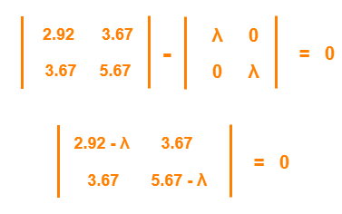

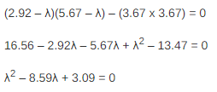
 | Eigen Value
 | Eigen Vector Computation |  |  |  |  |  |  |  |  | 1ﬨ | 8.22
 |  |  |  |  |  |  |  |  |  | 2ﬨ | 0.38

 | MX = ﬨ X
 |  |  |  |  |  |  |  | Eigen Vector
 | M | Covariance Matrix |  |  |  |  |  | x1 | 2.55
 | X | Eigen Vector |  |  |  |  |  | x2 | 0.367
 | ﬨ | Eigen Values

